Front Cover
Fleet Movements Last Period |  |  |  |  |  | Depot Contact Details

Fleet No | Make | Model | From | To | Comments |  | Aberdeen Bus Station |  |  | Macduff Depot
 |  |  |  |  |  |  | Phone: 01224 584677, Fax 01224 584202 |  |  | Phone: 01261 833479, Fax: 01261 833479
36035 | Dennis | E200 | Bluebird HO Reserve | Stagecoach South West | 2024-02-05 |  | Guild Street, Aberdeen, AB11 6NA |  |  | Union Road, Macduff, AB44 1JU
27533 | Dennis | E300 | Bluebird HO Reserve | Stagecoach South West | 2024-02-08
27799 | Dennis | E300 | Bluebird HO Reserve | Stagecoach South West | 2024-02-15 |  | Tullos Depot |  |  | Peterhead Depot |  | Bluebird Buses Ltd - PM5
22791 | MAN | E300 | Bluebird HO Reserve | Stagecoach Merseyside & South Lancashire | 2024-02-26 |  | Phone: 01224 854864, Fax 01224 854868 |  |  | Phone: 01779 477979, Fax: 01779 470447
93654 | DY19 WCJ | Hyundai I40 | Buchan Operations Manager | Lex | 2024-02-06 |  | Hillview Road, Aberdeen, AB12 3HL |  |  | Grange Road, Balmoor Ind. Est., Peterhead |  | Bus Station, Guild Street, Aberdeen, AB11 6NA
95768 | MH73VUD | Audi A3 | Lex | Buchan Operations Manager | 2024-02-06 |  |  |  |  |  |  | Phone: 01224 591381 Fax: 01224 584202
91797 | DP23YJS | Vauxhall Electric | Lex | Traffic Aberdeen |  |  | Ballater Depot |  |  | Fraserburgh Depot/Bus Station |  | bluebird.enquiries@stagecoachbus.com
92333 | NA20 FNW | Toyota Yaris | Traffic-Insch | Lex |  |  | Phone:01339 755917, Fax: 01339 754071 |  |  | Phone: 01346 517000, Fax: 01346 510738
92332 | NA20 FNY | Toyota Yaris | Traffic -Aberdeen | Traffic-Insch |  |  | Pannanich Road, Ballater, AB35 5PA |  |  | Bus Station, Hanover Street, Fraserburgh
54248 | Volvo | B11R | Reserve-LTR | Peterhead | 2024-02-22
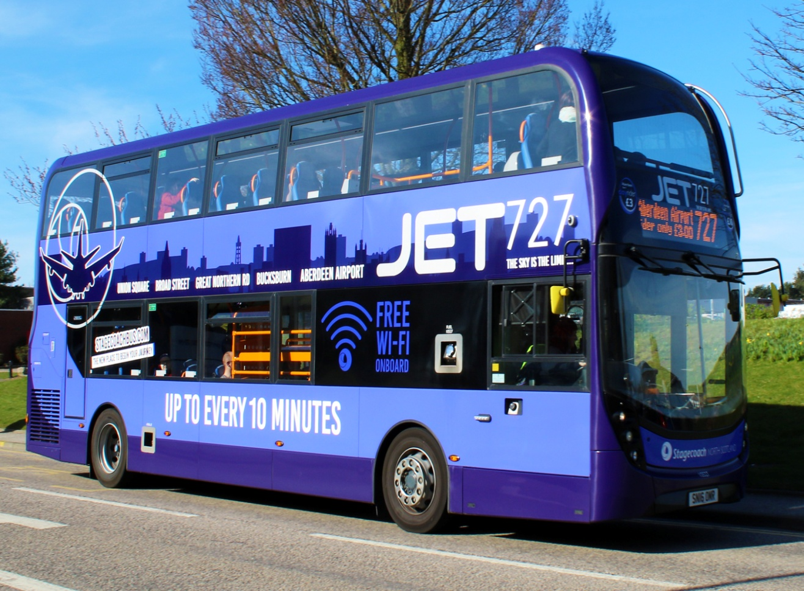
 |  |  |  |  |  |  | Insch Depot |  |  | Elgin Depot
 |  |  |  |  |  |  | Phone: 01464 821603, Fax: 01464 821603 |  |  | Phone: 01343 540928, Fax: 01343 540977
 |  |  |  |  |  |  | Insch Business Park, Insch, AB52 6TA |  |  | Pinefield Depot, East Road, Elgin, IV30 1XU

 |  |  |  |  |  |  | Stonehaven Depot
 |  |  |  |  |  |  | Phone: 01569 763333, Fax: 01569 766198
 |  |  |  |  |  |  | Spurryhillock Industrial Estate, Stonehaven
Reserve Vehicles

 |  |  |  |  |  | Ancillary Vehicles
Fleet No | Registration | Make | Model | Type | Location

19046 | MX56FRO | Dennis | E400 Open Top | Double | HO Reserve- Prep for Cup Final Parade | Fleet No | Registration | Make | Model | Allocated | Location
22781 | CN09AAJ | MAN | E300 | Single | Awaiting transfer to Stagecoach Merseyside & South Lancashire
27534 | SV57BYP | Dennis | E300 | Single | Awaiting transfer to Stagecoach South West | 90684 | SP71 ZSL | Ford | Transit Connect 240 Diesel Van | HO Pool Vehicle | HO
53643 | KX61GEY | Volvo | B9R | Coach | HO Reserve | 90687 | MW70 XDX | Ford | Transit | Engineering | Stonehaven
 |  |  |  |  |  | 91794 | DS23SOU | Vauxhall | Corsa-Electric Hatchback | Traffic | Elgin
 |  |  |  |  |  | 91797 | DP23YJS | Vauxhall | Electric | Traffic/Inspector | HO
 |  |  |  |  |  | 92699 | SH73ONZ | Skoda | Octavia Hybrid 1.4 Tsi Iv Se | Aberdeen Assistant Operations Manager | Aberdeen
 |  |  |  |  |  | 92879 | ST22 YWP | Ford | Connect | Engineering | Aberdeen
 |  |  |  |  |  | 92886 | MA21 ZNF | Ford | Transit | Engineering | Aberdeen
 |  |  |  |  |  | 92889 | MA21 ZPO | Ford | Transit | Engineering | Peterhead
 |  |  |  |  |  | 92891 | MA21 ZMZ | Ford | Transit | Engineering | Elgin
 |  |  |  |  |  | 92933 | ST68 HKU | Ford | Connect | Engineering | Macduff
 |  |  |  |  |  | 93771 | SD21 PMO | Kia | Niro Estate | Operations Manager | Aberdeen
 |  |  |  |  |  | 93772 | HSK 760 | Kia | EV6 | Commercial Director | HO
Vehicles Waiting Disposal |  |  |  |  |  | 95768 | MH73VUD | Audi | A3 | Operations Manager | Peterhead

 |  |  |  |  |  | Training Vehicles
Fleet No | Registration | Make | Model | Type | Status/Location

29001 | SV12 CZR | Dennis | E350H Hybrid | Single | Duffshill | Fleet No | Registration | Make | Model | Type | Location
29002 | SV12 CZS | Dennis | E350H Hybrid | Single | Duffshill
29003 | SV12 CZT | Dennis | E350H Hybrid | Single | Duffshill | 53107 | BSK 744 | Volvo | B12B-2Axle | Coach | Peterhead
29004 | SV12 CZU | Dennis | E350H Hybrid | Single | Duffshill | 53110 | LSK 545 | Volvo | B12B-2Axle | Coach | Peterhead
29005 | SV12 CZW | Dennis | E350H Hybrid | Single | Duffshill | 53112 | ESK 983 | Volvo | B12B-2Axle | Coach | Peterhead | Period 11 23/24
29006 | SV12 CZX | Dennis | E350H Hybrid | Single | Duffshill | 53617 | KX58 NCU | Volvo | B9R | Coach | Elgin
29007 | SV12 CZY | Dennis | E350H Hybrid | Single | Duffshill
29008 | SV12 CZZ | Dennis | E350H Hybrid | Single | Duffshill | Megabus Trailers
29009 | SV12 DAA | Dennis | E350H Hybrid | Single | Duffshill
29010 | SV12 DAO | Dennis | E350H Hybrid | Single | Duffshill
29011 | SP12 DYG | Dennis | E350H Hybrid | Single | Duffshill | Fleet No | Registration | Make | Model | Type | Location
29012 | SP12 DYH | Dennis | E350H Hybrid | Single | Duffshill
29013 | SP12 DYJ | Dennis | E350H Hybrid | Single | Duffshill
29014 | SP12 DYM | Dennis | E350H Hybrid | Single | Duffshill | Shuttle Vehicles
29015 | SP12 DYN | Dennis | E350H Hybrid | Single | Duffshill
29016 | SP12 DYS | Dennis | E350H Hybrid | Single | Duffshill
29017 | SP12 DYT | Dennis | E350H Hybrid | Single | Duffshill-Requires ESS refresh kit & module, £40k | Fleet No | Registration | Make | Model | Allocated | Location
29018 | SP12 DYU | Dennis | E350H Hybrid | Single | Duffshill
29019 | SP12 DYV | Dennis | E350H Hybrid | Single | Duffshill | 91779 | DS23SPU | Vauxhall | Corsa Electric Hatchback | Traffic | Peterhead
29020 | SK63 ATU | Dennis | E350H Hybrid | Single | Duffshill | 92332 | NA20 FNY | Toyota | Yaris | Traffic | Insch
29021 | SK63 ATV | Dennis | E350H Hybrid | Single | Duffshill | 95333 | NC19 FVL | Toyota | Yaris Hybrid | Traffic | Stonehaven
29022 | SK63 ATX | Dennis | E350H Hybrid | Single | Duffshill
47602 | SV08FZN | Optare | Solo | Mini | Duffshill

SORN

