Front Cover
Fleet Movements Last Period |  |  |  |  |  | Depot Contact Details

Fleet | Make | Model | From | To | Comments
28650 | SCANIA | N230UB | RESERVE | EAST SCOT | TRANSFERRED |  | Inverness Depot |  |  | Skye Depot
48059 | OPTARE | SOLO | INVERNESS | AVIEMORE | TRANSFERRED |  | Phone: 01463 251350, Fax: 01463 251360 |  |  | Phone : 01478 613671 Fax 01478 612622
 |  |  |  |  |  |  | 1 Seafield Road, Inverness, IV1 1SG |  |  | Broom Place, Portree, IV51 9HL
 |  |  |  |  |  |  |  |  |  |  |  | Highland Country Buses Ltd - PM2294
 |  |  |  |  |  |  | Aviemore Depot |  |  | Thurso Depot
 |  |  |  |  |  |  | Phone: 01479 811211, Fax: 01479 811211 |  |  | Phone : 01847 893123 Fax 01847 896027
 |  |  |  |  |  |  | Myrtlefield Ind Est, Aviemore, PH22 1SB |  |  | Lovers Lane, Thurso, KW14 7EQ |  | Head Office 1 Seafield Road, Longman, Inverness IV1 1SG
 |  |  |  |  |  |  |  |  |  |  |  | Phone: 01463 251350, Fax: 01463 251360
 |  |  |  |  |  |  | Tain Depot |  |  | Kirkwall Depot |  | highland.enquires@stagecoachbus.com
 |  |  |  |  |  |  | Phone: 01862 892683, Fax: 01862 892683 |  |  | Phone : 01856 870555 Fax 01856 879341
 |  |  |  |  |  |  | Scotsburn Road, Tain, IV19 1PP |  |  | Hatston Ind Estate, Kirkwall, KW15 1GR.

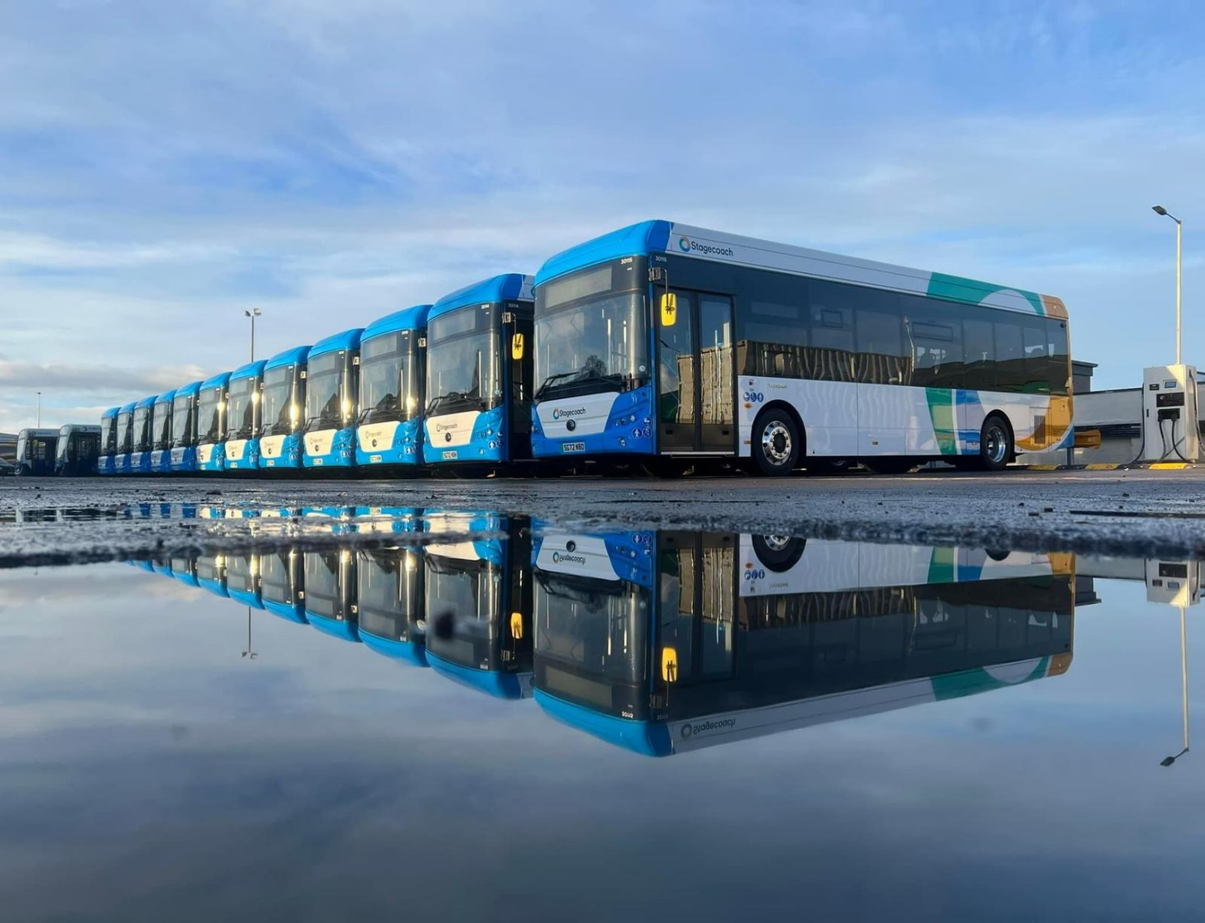

 |  |  |  |  |  | Ancillary Vehicles

 |  |  |  |  |  | Fleet No | Registration | Make | Model | Allocated | Location
 |  |  |  |  |  | 90241 | 540 FFX | BMW | 330e Msport | Operations Director | HO
 |  |  |  |  |  | 95725 | WLT 774 | Range Rover | Velar | Managing Director | HO
 |  |  |  |  |  | 92372 | WLT 439 | Toyota | Rav4 Phev | Business Development Director | HO
 |  |  |  |  |  | 95134 | NC19 KYO | Toyota | Yaris | Traffic | Skye
 |  |  |  |  |  | 92690 | SC23KVA | Skoda | Enyaq IV | Commercial | Inverness
 |  |  |  |  |  | 90695 | MT70 AOF | Ford | Transit | Prop Maintenance | Inverness
Vehicles Waiting Disposal |  |  |  |  |  | 90735 | ND73 FNM | Toyota | ProAce | Engineering | Aviemore
 |  |  |  |  |  | 92917 | SR19 LWP | Ford | Connect | Engineering | Tain
Fleet No | Registration | Make | Model | Type | Status/Location | 92949 | SP67 KWT | Ford | Connect | Engineering | Thurso
 |  |  |  |  |  | 90692 | MJ70 UGD | Ford | Transit | Engineering | Kirkwall
 |  |  |  |  |  | 90723 | SR19 LXS | Ford | Transit | Engineering | Skye
 |  |  |  |  |  | 90685 | SP71ZSN | Ford | Transit | Engineering B/Down | Inverness
 |  |  |  |  |  | 90232 | MM71EYP | BMW | E3 300 | Engineering Director | HO
 |  |  |  |  |  | 91935 | YT20DVJ | Kia | Niro | Operations Manager | Inverness
 |  |  |  |  |  | 92877 | ST23BGY | Ford | Kuga | Workshop Manager | Portree

Vehicles Approved For Sale or Disposal

Fleet No | Registration | Make | Model | Type | Status/Location | Training Vehicles

 |  |  |  |  |  | Fleet No | Registration | Make | Model | Type | Location
 |  |  |  |  |  | 36201 | SP60DYO | Dennis | E 200 | Single Decker | Inverness
 |  |  |  |  |  | 36203 | SP60DYT | Dennis | E 200 | Single Decker | Inverness
 |  |  |  |  |  | 36204 | SP60DYU | Dennis | E 200 | Single Decker | Inverness
 |  |  |  |  |  | 53613 | KX58NCF | Volvo | B9R | COACH | Inverness
 |  |  |  |  |  | Reserve Vehicles |  |  |  |  |  | Period 11 2024
 |  |  |  |  |  | Fleet No | Registration | Make | Model | Type | Location
 |  |  |  |  |  | 21394 | SJ72HNH | Volvo | B8RLE | SINGLE | Highland Head Office
 |  |  |  |  |  | 27808* | SV62BYR | DENNIS | E300 | SINGLE | Highland Head Office
 |  |  |  |  |  | 28644* | SV12AZO | SCANIA | N230UB | SINGLE | Highland Head Office
Trucks |  |  |  |  |  | 47811* | SV12 ATX | OPTARE | SOLO | MINI | Highland Head Office
 |  |  |  |  |  | 47813* | SV12ARU | OPTARE | SOLO | MINI | Highland Head Office
Fleet No | Registration | Make | Model | Type | Status/Location | 53706* | AE10JSZ | Volvo | B8R | COACH | Highland Head Office
97014 | F798 KND | Volvo | FL6 | Recovery Truck | Kirkwall | 53708 | AE10JTU | Volvo | B9R | COACH | Highland Head Office
 |  |  |  |  |  | 53716 | YN60ACU | Volvo | B9R | COACH | Highland Head Office
 |  |  |  |  |  | 54121 | SP62CGY | Volvo | B13R | COACH | Highland Head Office
 |  |  |  |  |  | 28643 | SV12AZR | SCANIA | N230UB | SINGLE | Highland Head Office
 |  |  |  |  |  | 28645 | SV12AZG | SCANIA | N230UB | SINGLE | Highland Head Office
 |  |  |  |  |  | 48906 | YJ15AOC | OPTARE | SOLO | SINGLE | Highland Head Office

